Calculations_India
(All figures in MW)
Year | 2015 | 2016 | 2017 | 2018 | 2019 | 2020 | 2021 | 2022 | 2023 | 2024 | 2025 | 2026 | 2027 | 2028 | 2029 | 2030 | 2031 | 2032 | 2033 | 2034 | 2035 | 2036 | 2037 | 2038 | 2039 | 2040 | 2041 | 2042 | 2043 | 2044 | 2045 | 2046 | 2047 | 2048 | 2049 | 2050
DR deployment (TPDDL study) | 5 | 5 | 12 | 15 | 20 | 25 | 28 | 31 | 34 | 37 | 42 | 42 | 42 | 43 | 43 | 43 | 43 | 43 | 43 | 43 | 44 | 44 | 44 | 45 | 45 | 46
Demand (TPDDL study) | 1766 | 1860 | 1954 | 2048 | 2142 | 2236 | 2330 | 2424 | 2518 | 2612 | 2706 | 2800 | 2894 | 2988 | 3082 | 3176 | 3270 | 3364 | 3458 | 3552 | 3646 | 3740 | 3834 | 3928 | 4022 | 4116
% | 0.28 | 0.27 | 0.61 | 0.73 | 0.93 | 1.12 | 1.20 | 1.28 | 1.35 | 1.42 | 1.55 | 1.50 | 1.45 | 1.44 | 1.40 | 1.35 | 1.31 | 1.28 | 1.24 | 1.21 | 1.21 | 1.18 | 1.15 | 1.15 | 1.12 | 1.12 | 1.12 | 1.12 | 1.12 | 1.12 | 1.12 | 1.12 | 1.12 | 1.12 | 1.12 | 1.12
India peak demand | 153366 | 161834 | 172968.2 | 184868.4 | 197587.3 | 211181.3 | 244753 | 258875.2 | 273812.3 | 289611.3 | 306321.9 | 329998 | 349038.9 | 369178.4 | 390480.0 | 413010.7 | 436841.4 | 462047.2 | 488707.3 | 516905.7 | 546731.2 | 578277.6 | 611644.2 | 646936.1 | 684264.3 | 723746.3 | 765506.5 | 809676.2 | 856394.5 | 905808.5 | 958073.6 | 1013354.5 | 1071825.0 | 1133669.3 | 1199082.1 | 1268269.1
DR capacity | 217 | 217 | 531 | 677 | 922 | 1180 | 1470 | 1655 | 1848 | 2051 | 2377 | 2474 | 2532 | 2656 | 2723 | 2795 | 2871 | 2952 | 3038 | 3128 | 3298 | 3401 | 3509 | 3705 | 3827 | 4043 | 4276 | 4523 | 4784 | 5060 | 5352 | 5661 | 5988 | 6333 | 6699 | 7085
CAGR (2016-21) | 6.88
CAGR (2021-26) | 5.77

Potential | 10107 | 10665 | 11399 | 12183 | 13022 | 13917 | 16130 | 17061 | 18045 | 19086 | 20187 | 21748 | 23003 | 24330 | 25734 | 27218 | 28789 | 30450 | 32207 | 34065 | 36031 | 38110 | 40309 | 42635 | 45095 | 47697 | 50449 | 53360 | 56439 | 59695 | 63140 | 66783 | 70636 | 74712 | 79023 | 83582

Potential of DR across consumer categories (weighted average) |  | 409500 | 13.184159691

Fraction of energy demand from industrial and commercial sectors |  | 49.99

DR Potential percentage |  | 6.6
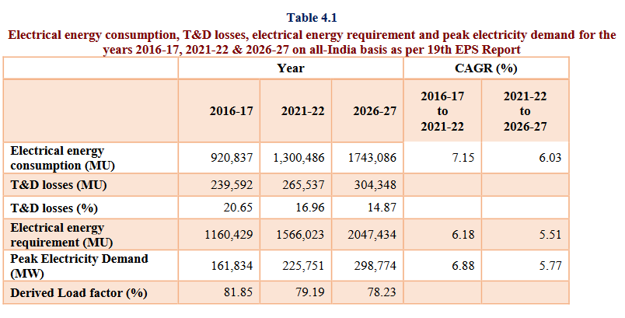
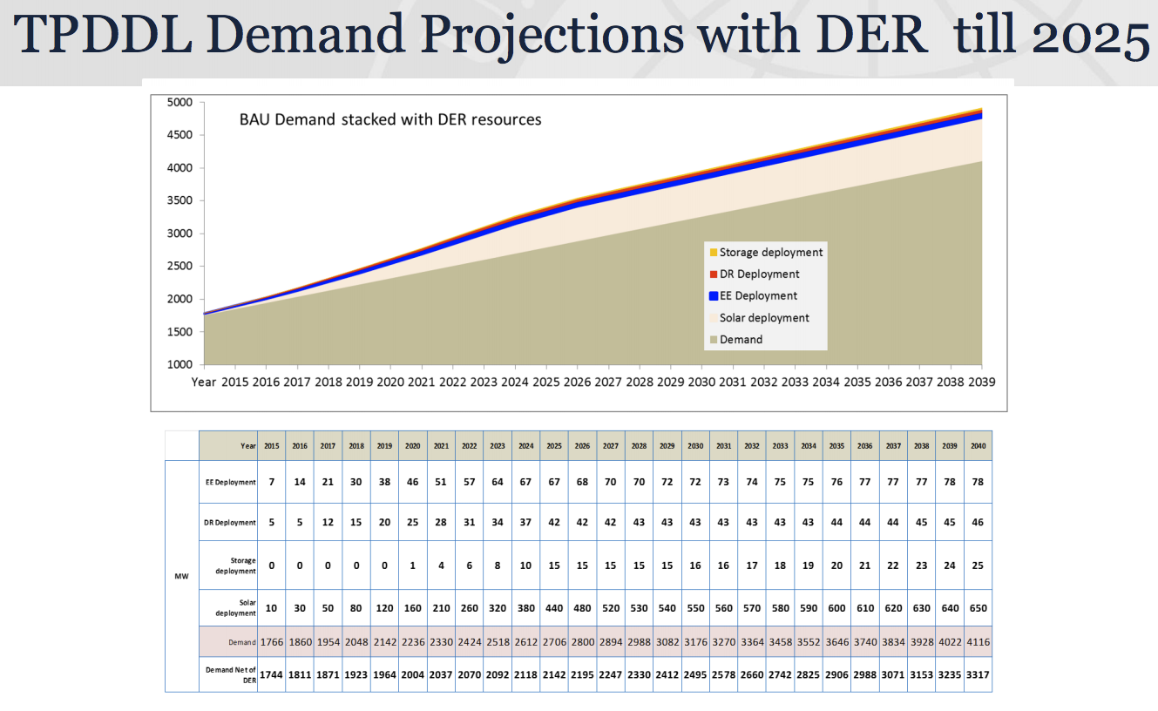

 |  |  |  | 6.8965517241

http://www.cea.nic.in/reports/committee/nep/nep_dec.pdf

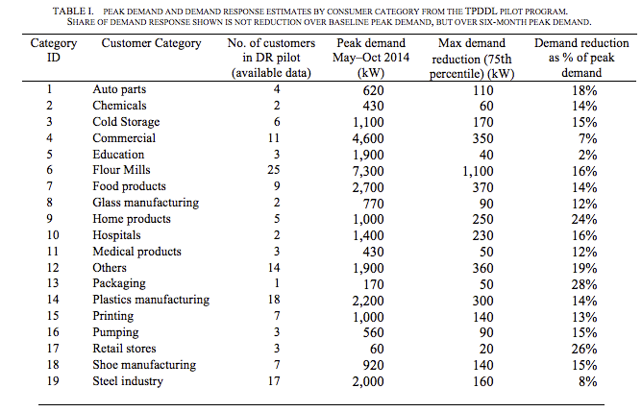

 |  |  |  |  |  |  |  |  |  | https://www.tatapower-ddl.com/UploadedDocuments/Presentation%20for%20USTDA%20Workshop%20250202015%20Ver%202.pdf

 | https://gig.lbl.gov/sites/default/files/lbnl_6987e_0.pdf

 | Table 6.9: Consumption of Electricity by Sectors in India
Source:CEA |  |  |  | in Giga Watt Hour = 106 Kilo Watt Hour
Year |  |  |  | Industry | Agriculture | Domestic | Commercial | Traction | Others | Total
 |  |  |  |  |  |  |  | & |  | Electricity
 |  |  |  |  |  |  |  | Railways |  | Consumed
1 |  |  |  | 2 | 3 | 4 | 5 | 6 | 7 | 8=2 to 7
2008-09 |  |  |  | 209,474 | 109,610 | 131,720 | 54,189 | 11,425 | 37,577 | 553,995
2009-10 |  |  |  | 236,752 | 120,209 | 146,080 | 60,600 | 12,408 | 36,595 | 612,645
2010-11 |  |  |  | 272,589 | 131,967 | 169,326 | 67,289 | 14,003 | 39,218 | 694,392
2011-12 |  |  |  | 352,291 | 140,960 | 171,104 | 65,381 | 14,206 | 41,252 | 785,194
2012-13 |  |  |  | 365,989 | 147,462 | 183,700 | 72,794 | 14,100 | 40,256 | 824,301
2013-14 |  |  |  | 384,418 | 152,744 | 199,842 | 74,247 | 15,540 | 47,418 | 874,209
2014-15 |  |  |  | 418,346 | 168,913 | 217,405 | 78,391 | 16,177 | 49,289 | 948,522
2015-16 |  |  |  | 423,523 | 173,185 | 238,876 | 86,037 | 16,594 | 62,976 | 1,001,191
2016-17 |  |  |  | 440,206 | 191,151 | 255,826 | 89,825 | 15,683 | 68,493 | 1,061,183
2017-18(P) |  |  |  | 468,825 | 204,293 | 273,550 | 96,141 | 14,356 | 73,079 | 1,130,244
Distribution (%) |  |  |  | 41.48 | 18.08 | 24.20 | 8.51 | 1.27 | 6.47 | 100.00
Growth rate of 2017-18 over 2016-17 (%) |  |  |  | 6.50 | 6.88 | 6.93 | 7.03 | -8.46 | 6.70 | 6.51
CAGR 2008-09 to 2017-18(%) |  |  |  | 8.39 | 6.42 | 7.58 | 5.90 | 2.31 | 6.88 | 7.39
(P): Provisional
Source : Central Electricity Authority.

http://www.mospi.gov.in/sites/default/files/publication_reports/Energy%20Statistics%202019-finall.pdf

